Diagramm1
 | Tabelle1!#REF!
 | 1

Tabelle1
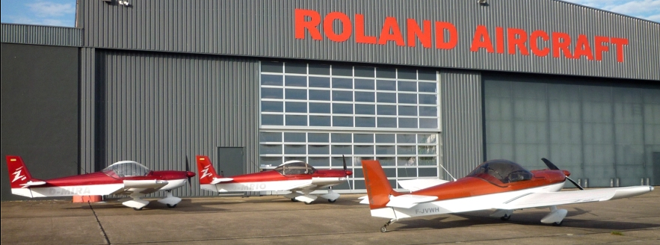

 | ROLAND AIRCRAFT |  |  |  | Tel.: +49 (0) 2652 934 685
 | Am Flugplatz 12 |  |  |  | Fax: +49 (0) 2652 934 686
 | D - 56743 Mendig |  |  |  | www.roland-aircraft.de

 | The Z-602 economy is an all-metal low-wing ultralight with versatile application posibilities at a very attractive price. Thanks to their excellent flight characteristics and reliability, it is the perfect All-rounder among premium ultralight aircraft.
Z-602 economy
MTOW 525 kg - 600 kg

Standard version serie: |  |  |  | price list | 2025-02
Aluminium sheets: | aviation quality, parts complete CNC cutted
Corrosion protection - standard: | on all contact points / lines
Screws: | aviation quality, AN…

Other mounting hardware: | Bearings, bushings, connectors,
 | Quick locks, and much more. are quality products
Cowling: | Carbon CFK, mounting with quick locks
Canopy | Acrylic with UV protection, tinted, lockabel
Instrumentation: | Airspeed, Altimeter
 | Tachometer, compass
 | Flapsindicator with volt-
 | and temp.-indicator
 | Slip indicatur
 | Electric Fuel Gauge
 | Oil pressure and oil temperature indicator
 | Cylinder head temperature (water)
 | Choke, Gas with setting option
 | Fuse, overcurrent protection switch - automatic
Panel: | Nextel painted by glare-free
Ignition switch: | "on" and "off" electrical control of both magnets
Engine: | Rotax 912 ULS (100 hp)
 | with slip clutch
 | and large starter
 | Exhaust system made ​​of stainless steel
 | Additional electric fuel pump
 | Airbox made ​​from CFK
Firewall: | Stainless steel
Petrol hose: | With heat protection
Batterie: | Gel - Maintenance-free, 17 Amp, Standard approx. 6 kg
 |  |  |  |  | 1/4

Fuel Tanks: | Wing tanks, at least 2 x 80 liters
Filler cap: | Lockable, Newton-quality milled
Tank selector switch: | 3-way switch, Newton-quality milled
Propeller: | 2 - blade CFK,adjustable on the ground
Split flaps: | Electrically adjustable
Trim: | Elevator, electrically adjustable
Cable: | Transferred to special protection tubes,
 | Central plug on the fire wall
Seat belt: | 4-point shoulder belts
Gear / legs: | Robust, led in plastic steel chassis,
Rims: | Light alloy wheels, milled from solid material,
 | Tire changing is easy to install,
 | Hydraulic disc brakes with two-piston calipers
Brake: | Foot brake, individual wheel brake
Interior: | Hardwearing, lightweight material
 | Durable, lightweight material
 | padded center console

Cabin ventilation: | Adjustable ventilation
Heat: | Cabin heating by heat exchangers on the exhaust system
Storage space: | Luggage rack behind the seats 10 kg

Tail: | Horizontal tail unit transition of CFK
Lashing rings: | Wings and tail

Basic equipment | Net amount |  | 19% VAT | Incl.19% VAT
Nosewheel version | 77,596.64 |  | 14,743.36 | 92,340.00 | €
Tailwheel version | 77,596.64 |  | 14,743.36 | 92,340.00 | €

Z-602 economy |  |  | Prices in Euro incl. 19% VAT | Compiling
Nose wheel without rescue system |  |  | 92,340.00
Air suspension for nose wheel |  | add. charge | 2,400.00
Tailwheel without rescue system |  |  | 92,340.00
Air suspension for main gear |  | add. charge | 4,800.00
Additional equipment
12V double socket 2x |  |  | 68.00
2x USB |  |  | 80.00
Fuel pressure |  |  | 155.00
Hourmeter minutes |  |  | 95.00
Pressure sensor for Pitot |  |  | 150.00
Radio 833 with antenna, 1x PTT hedged |  |  | 2,800.00
Radio button for copilot / Training |  |  | 50.00
G205 Stick grip with PTT + trimm |  | add. charge | 580.00
 |  |  |  |  | 2/4

Transponder Mode S, antenna |  |  | 3,205.00

Manifold Pressure (Vacuum display) |  |  | 265.00
Aileron trim electrically |  |  | 680.00
Vario |  |  | 295.00
Vertical compass |  | add. charge | 285.00

Collision warning with display without programming |  |  | 2,370.00
Programming on request
ELT Kannad Integra EASY EVO complete kit |  |  | 1,990.00
Installation according to effort with-without remote control |  |  | ??
Propeller
Propeller 2-Blade Carbon, el. Adj., Spinner |  | add. charge | 4,300.00
Propeller 3-Blade Carbon, adjustable on ground |  | add. charge | 600.00
Propeller 3-Blade Carbon, electrically adjustable |  | add. charge | 4,700.00
Constand Speed |  |  | 890.00
Propeller balancing dynamically |  |  | 250.00
Paintwork
Paintwork dans les coleurs standard |  |  | 6,200.00
Additional colors on request |  | add. charge
Two-color paintwork - straight separation |  | add. charge | 2,000.00
Metallic paintwork |  | add. charge | 800.00
Deco stripes - straight strips |  |  | 600.00
Callsign with attaching |  |  | 350.00
Corrosion protection, inside complete |  |  | 1,700.00
Additional equipment

Parachute Junkers Magnum with install hardware, MTOW 600 kg |  |  | 7,995.00
Parachute Junkers Magnum with install hardware, MTOW 540 kg |  |  | 6,965.00
Brake + Gas Copilot / Training |  |  | 980.00
Parking brake hydraulic |  |  | 525.00

Batterie - 11 Ah, 13,2 V , LIFEPO , ca. 1,6 kg |  | add. charge | 280.00

Preheating for oil, 220 V |  |  | 420.00
Preheating for water, 220 V |  |  | 420.00
Oil cooler inlet flap, electrically adjustable |  |  | 420.00

Strobes for wings with Nav - red / green, Highpower LEDs |  |  | 1,200.00
Landinglight left wing , Highpower LEDs |  |  | 500.00
Landinglight fight wing, Highpower LEDs |  |  | 500.00
Stepping surface on the wings |  |  | Standard
Step for nosewheel and tailwheel |  |  | 600.00
Towing equipment for glider with additional oil cooler |  |  | 4,450.00
 |  |  |  |  | 3/4

Fairing for wheel and leg, taildragger |  | CFK | 1,800.00
Fairing for wheel and leg, nose wheel |  | CFK | 1,800.00

Installed external start box + plug |  |  | 200.00
Jump start - modified> Starter Cable |  |  | 70.00

Dorsal seat upholstery, additional |  | piece | 95.00
Carpet on the sidewall / seat |  | piece | 75.00
Carpet with Storage bag on the sidewall |  | piece | 195.00
Storage pockets for cards and small parts on the spar |  | set | 130.00
Pocket at the side of the knee |  | set | 180.00
Leather upgrade |  | add. charge | 1,850.00
Luggage compartment in the wings 2x 15 kg |  |  | 750.00
Canopy - glued sun protection |  |  | 250.00
Cover, Persenning -> Canopy |  |  | 240.00
Cover, Persenning -> wings, fuselage, tail |  |  | 395.00
Suspension device is provided for hangarage |  |  | 550.00

Anti-glare protection for panel |  |  | 380.00
Anti-glare protection for panel with lighting |  |  | 420.00

Variant with one iPad / iPad is not included in the price
iLevel 3 AW von LEVIL Aviation |  |  | 2,150.00
Mounting bracket |  |  | 450.00
Installation |  |  | 1,600.00
Variant with two iPad / iPad is not included in the price
Mounting bracket and installation |  | add. charge | 600.00

Your fully configured Z-602 costs with their desire accessories
...

